LDO Test Sequence
Pre-Conditioning Test
Cycle | Time (Min) | Time (Hr) | Burner ON | Oil ON | Oil Rate (cc/min) | Water Flow Rate | Check for Stop Condition | Blower/Conveyor Status | Oil Sequence ON
0 | 0 | 0.00 | 1 | 1 | 1.1 | ON | No Check | OFF | Burner OFF
0 | 5 | 0.08 | 1 | 1 | 1.1 | ON | No Check | OFF | Hour Mark in 11 and 12
0 | 10 | 0.17 | 1 | 1 | 1.1 | ON | No Check | OFF
0 | 15 | 0.25 | 1 | 0 | 0 | ON | No Check | OFF
0 | 20 | 0.33 | 1 | 0 | 0 | ON | No Check | OFF
0 | 25 | 0.42 | 1 | 0 | 0 | ON | No Check | OFF
0 | 30 | 0.50 | 1 | 0 | 0 | ON | No Check | OFF
Main Test
Cycle | Time (Min) | Time (Hr) | Burner ON | Oil ON | Oil Rate (cc/min) | Water Flow Rate | Check for Stop Condition | Blower/Conveyor Status
1 | 0 | 0.00 | 1 | 0 | 0 | ON | No Check | ON
1 | 5 | 0.08 | 1 | 0 | 0 | ON | No Check | ON
1 | 10 | 0.17 | 1 | 0 | 0 | ON | No Check | ON
1 | 15 | 0.25 | 1 | 0 | 0 | ON | Start Checking | ON
1 | 20 | 0.33 | 1 | 0 | 0 | ON | Start Checking | ON
1 | 25 | 0.42 | 1 | 0 | 0 | ON | Start Checking | ON
1 | 30 | 0.50 | 1 | 1 | 0.8 | ON | Start Checking | ON
1 | 35 | 0.58 | 1 | 1 | 0.8 | ON | Start Checking | ON
1 | 40 | 0.67 | 1 | 0 | 0 | ON | Start Checking | ON
1 | 45 | 0.75 | 1 | 0 | 0 | ON | Start Checking | ON
1 | 50 | 0.83 | 1 | 0 | 0 | ON | Start Checking | ON
1 | 55 | 0.92 | 0 | 0 | 0 | OFF | Start Checking | ON
1 | 60 | 1.00 | 0 | 0 | 0 | OFF | Start Checking | ON
2 | 65 | 1.08 | 1 | 0 | 0 | ON | No Check | ON
2 | 70 | 1.17 | 1 | 0 | 0 | ON | No Check | ON
2 | 75 | 1.25 | 1 | 0 | 0 | ON | No Check | ON
2 | 80 | 1.33 | 1 | 0 | 0 | ON | Start Checking | ON
2 | 85 | 1.42 | 1 | 0 | 0 | ON | Start Checking | ON
2 | 90 | 1.50 | 1 | 1 | 1.33 | ON | Start Checking | ON
2 | 91 | 1.52 | 1 | 1 | 1.33 | ON | Start Checking | ON
2 | 92 | 1.53 | 1 | 1 | 1.33 | ON | Start Checking | ON
2 | 93 | 1.55 | 1 | 1 | 1.33 | ON | Start Checking | ON
2 | 95 | 1.58 | 1 | 0 | 0 | ON | Start Checking | ON
2 | 100 | 1.67 | 1 | 0 | 0 | ON | Start Checking | ON
2 | 105 | 1.75 | 1 | 0 | 0 | ON | Start Checking | ON
2 | 110 | 1.83 | 1 | 0 | 0 | ON | Start Checking | ON
2 | 115 | 1.92 | 0 | 0 | 0 | OFF | Start Checking | ON
2 | 120 | 2.00 | 0 | 0 | 0 | OFF | Start Checking | ON
3 | 125 | 2.08 | 1 | 0 | 0 | ON | No Check | ON
3 | 130 | 2.17 | 1 | 0 | 0 | ON | No Check | ON
3 | 135 | 2.25 | 1 | 0 | 0 | ON | No Check | ON
3 | 140 | 2.33 | 1 | 0 | 0 | ON | Start Checking | ON
3 | 145 | 2.42 | 1 | 0 | 0 | ON | Start Checking | ON
3 | 150 | 2.50 | 1 | 1 | 1.33 | ON | Start Checking | ON
3 | 151 | 2.52 | 1 | 1 | 1.33 | ON | Start Checking | ON
3 | 152 | 2.53 | 1 | 1 | 1.33 | ON | Start Checking | ON
3 | 153 | 2.55 | 1 | 1 | 1.33 | ON | Start Checking | ON
3 | 155 | 2.58 | 1 | 0 | 0 | ON | Start Checking | ON
3 | 160 | 2.67 | 1 | 0 | 0 | ON | Start Checking | ON
3 | 165 | 2.75 | 1 | 0 | 0 | ON | Start Checking | ON
3 | 170 | 2.83 | 1 | 0 | 0 | ON | Start Checking | ON
3 | 175 | 2.92 | 0 | 0 | 0 | OFF | Start Checking | ON
3 | 180 | 3.00 | 0 | 0 | 0 | OFF | Start Checking | ON
4 | 185 | 3.08 | 1 | 0 | 0 | ON | No Check | ON
4 | 190 | 3.17 | 1 | 0 | 0 | ON | No Check | ON
4 | 195 | 3.25 | 1 | 0 | 0 | ON | No Check | ON
4 | 200 | 3.33 | 1 | 0 | 0 | ON | Start Checking | ON
4 | 205 | 3.42 | 1 | 0 | 0 | ON | Start Checking | ON
4 | 210 | 3.50 | 1 | 1 | 1.33 | ON | Start Checking | ON
4 | 211 | 3.52 | 1 | 1 | 1.33 | ON | Start Checking | ON
4 | 212 | 3.53 | 1 | 1 | 1.33 | ON | Start Checking | ON
4 | 213 | 3.55 | 1 | 1 | 1.33 | ON | Start Checking | ON
4 | 215 | 3.58 | 1 | 0 | 0 | ON | Start Checking | ON
4 | 220 | 3.67 | 1 | 0 | 0 | ON | Start Checking | ON
4 | 225 | 3.75 | 1 | 0 | 0 | ON | Start Checking | ON
4 | 230 | 3.83 | 1 | 0 | 0 | ON | Start Checking | ON
4 | 235 | 3.92 | 0 | 0 | 0 | OFF | Start Checking | ON
4 | 240 | 4.00 | 0 | 0 | 0 | OFF | Start Checking | ON
5 | 245 | 4.08 | 1 |  |  | ON | No Check | ON
5 | 250 | 4.17 | 1 |  |  | ON | No Check | ON
5 | 255 | 4.25 | 1 |  |  | ON | No Check | ON
5 | 260 | 4.33 | 1 |  |  | ON | Start Checking | ON
5 | 265 | 4.42 | 1 |  |  | ON | Start Checking | ON
5 | 270 | 4.50 | 1 | 1 | 1.33 | ON | Start Checking | ON
5 | 271 | 4.52 | 1 | 1 | 1.33 | ON | Start Checking | ON
5 | 272 | 4.53 | 1 | 1 | 1.33 | ON | Start Checking | ON
5 | 273 | 4.55 | 1 | 1 | 1.33 | ON | Start Checking | ON
5 | 275 | 4.58 | 1 |  |  | ON | Start Checking | ON
5 | 280 | 4.67 | 1 |  |  | ON | Start Checking | ON
5 | 285 | 4.75 | 1 |  |  | ON | Start Checking | ON
5 | 290 | 4.83 | 1 |  |  | ON | Start Checking | ON
5 | 295 | 4.92 | 0 |  |  | OFF | Start Checking | ON
5 | 300 | 5.00 | 0 |  |  | OFF | Start Checking | ON
6 | 305 | 5.08 | 1 |  |  | ON | No Check | ON
6 | 310 | 5.17 | 1 |  |  | ON | No Check | ON
6 | 315 | 5.25 | 1 |  |  | ON | No Check | ON
6 | 320 | 5.33 | 1 |  |  | ON | Start Checking | ON
6 | 325 | 5.42 | 1 |  |  | ON | Start Checking | ON
6 | 330 | 5.50 | 1 | 1 | 1.33 | ON | Start Checking | ON
6 | 331 | 5.52 | 1 | 1 | 1.33 | ON | Start Checking | ON
6 | 332 | 5.53 | 1 | 1 | 1.33 | ON | Start Checking | ON
6 | 333 | 5.55 | 1 | 1 | 1.33 | ON | Start Checking | ON
6 | 335 | 5.58 | 1 |  |  | ON | Start Checking | ON
6 | 340 | 5.67 | 1 |  |  | ON | Start Checking | ON
6 | 345 | 5.75 | 1 |  |  | ON | Start Checking | ON
6 | 350 | 5.83 | 1 |  |  | ON | Start Checking | ON
6 | 355 | 5.92 | 0 |  |  | OFF | Start Checking | ON
6 | 360 | 6.00 | 0 |  |  | OFF | Start Checking | ON
7 | 365 | 6.08 | 1 |  |  | ON | No Check | ON
7 | 370 | 6.17 | 1 |  |  | ON | No Check | ON
7 | 375 | 6.25 | 1 |  |  | ON | No Check | ON
7 | 380 | 6.33 | 1 |  |  | ON | Start Checking | ON
7 | 385 | 6.42 | 1 |  |  | ON | Start Checking | ON
7 | 390 | 6.50 | 1 | 1 | 1.33 | ON | Start Checking | ON
7 | 391 | 6.52 | 1 | 1 | 1.33 | ON | Start Checking | ON
7 | 392 | 6.53 | 1 | 1 | 1.33 | ON | Start Checking | ON
7 | 393 | 6.55 | 1 | 1 | 1.33 | ON | Start Checking | ON
7 | 395 | 6.58 | 1 |  |  | ON | Start Checking | ON
7 | 400 | 6.67 | 1 |  |  | ON | Start Checking | ON
7 | 405 | 6.75 | 1 |  |  | ON | Start Checking | ON
7 | 410 | 6.83 | 1 |  |  | ON | Start Checking | ON
7 | 415 | 6.92 | 0 |  |  | OFF | Start Checking | ON
7 | 420 | 7.00 | 0 |  |  | OFF | Start Checking | ON
8 | 425 | 7.08 | 1 |  |  | ON | No Check | ON
8 | 430 | 7.17 | 1 |  |  | ON | No Check | ON
8 | 435 | 7.25 | 1 |  |  | ON | No Check | ON
8 | 440 | 7.33 | 1 |  |  | ON | Start Checking | ON
8 | 445 | 7.42 | 1 |  |  | ON | Start Checking | ON
8 | 450 | 7.50 | 1 | 1 | 1.33 | ON | Start Checking | ON
8 | 451 | 7.52 | 1 | 1 | 1.33 | ON | Start Checking | ON
8 | 452 | 7.53 | 1 | 1 | 1.33 | ON | Start Checking | ON
8 | 453 | 7.55 | 1 | 1 | 1.33 | ON | Start Checking | ON
8 | 455 | 7.58 | 1 |  |  | ON | Start Checking | ON
8 | 460 | 7.67 | 1 |  |  | ON | Start Checking | ON
8 | 465 | 7.75 | 1 |  |  | ON | Start Checking | ON
8 | 470 | 7.83 | 1 |  |  | ON | Start Checking | ON
8 | 475 | 7.92 | 0 |  |  | OFF | Start Checking | ON
8 | 480 | 8.00 | 0 |  |  | OFF | Start Checking | ON
9 | 485 | 8.08 | 1 |  |  | ON | No Check | ON
9 | 490 | 8.17 | 1 |  |  | ON | No Check | ON
9 | 495 | 8.25 | 1 |  |  | ON | No Check | ON
9 | 500 | 8.33 | 1 |  |  | ON | Start Checking | ON
9 | 505 | 8.42 | 1 |  |  | ON | Start Checking | ON
9 | 510 | 8.50 | 1 | 1 | 1.33 | ON | Start Checking | ON
9 | 511 | 8.52 | 1 | 1 | 1.33 | ON | Start Checking | ON
9 | 512 | 8.53 | 1 | 1 | 1.33 | ON | Start Checking | ON
9 | 513 | 8.55 | 1 | 1 | 1.33 | ON | Start Checking | ON
9 | 515 | 8.58 | 1 |  |  | ON | Start Checking | ON
9 | 520 | 8.67 | 1 |  |  | ON | Start Checking | ON
9 | 525 | 8.75 | 1 |  |  | ON | Start Checking | ON
9 | 530 | 8.83 | 1 |  |  | ON | Start Checking | ON
9 | 535 | 8.92 | 0 |  |  | OFF | Start Checking | ON
9 | 540 | 9.00 | 0 |  |  | OFF | Start Checking | ON
10 | 545 | 9.08 | 1 |  |  | ON | No Check | ON
10 | 550 | 9.17 | 1 |  |  | ON | No Check | ON
10 | 555 | 9.25 | 1 |  |  | ON | No Check | ON
10 | 560 | 9.33 | 1 |  |  | ON | Start Checking | ON
10 | 565 | 9.42 | 1 |  |  | ON | Start Checking | ON
10 | 570 | 9.50 | 1 | 1 | 1.33 | ON | Start Checking | ON
10 | 571 | 9.52 | 1 | 1 | 1.33 | ON | Start Checking | ON
10 | 572 | 9.53 | 1 | 1 | 1.33 | ON | Start Checking | ON
10 | 573 | 9.55 | 1 | 1 | 1.33 | ON | Start Checking | ON
10 | 575 | 9.58 | 1 |  |  | ON | Start Checking | ON
10 | 580 | 9.67 | 1 |  |  | ON | Start Checking | ON
10 | 585 | 9.75 | 1 |  |  | ON | Start Checking | ON
10 | 590 | 9.83 | 1 |  |  | ON | Start Checking | ON
10 | 595 | 9.92 | 0 |  |  | OFF | Start Checking | ON
10 | 600 | 10.00 | 0 |  |  | OFF | Start Checking | ON
11 | 605 | 10.08 | 1 |  |  | ON | No Check | ON
11 | 610 | 10.17 | 1 |  |  | ON | No Check | ON
11 | 615 | 10.25 | 1 |  |  | ON | No Check | ON
11 | 620 | 10.33 | 1 |  |  | ON | Start Checking | ON
11 | 625 | 10.42 | 1 |  |  | ON | Start Checking | ON
11 | 630 | 10.50 | 1 | 1 | 1.33 | ON | Start Checking | ON
11 | 631 | 10.52 | 1 | 1 | 1.33 | ON | Start Checking | ON
11 | 632 | 10.53 | 1 | 1 | 1.33 | ON | Start Checking | ON
11 | 633 | 10.55 | 1 | 1 | 1.33 | ON | Start Checking | ON
11 | 635 | 10.58 | 1 |  |  | ON | Start Checking | ON
11 | 640 | 10.67 | 1 |  |  | ON | Start Checking | ON
11 | 645 | 10.75 | 1 |  |  | ON | Start Checking | ON
11 | 650 | 10.83 | 1 |  |  | ON | Start Checking | ON
11 | 655 | 10.92 | 1 |  |  | ON | Start Checking | ON
11 | 660 | 11.00 | 1 |  |  | ON | Start Checking | ON
11 | 665 | 11.08 | 1 |  |  | ON | Start Checking | ON
11 | 670 | 11.17 | 1 |  |  | ON | Start Checking | ON
11 | 675 | 11.25 | 1 |  |  | ON | Start Checking | ON
11 | 680 | 11.33 | 1 |  |  | ON | Start Checking | ON
11 | 685 | 11.42 | 1 |  |  | ON | Start Checking | ON
11 | 690 | 11.50 | 1 | 1 | 1.33 | ON | Start Checking | ON
11 | 691 | 11.52 | 1 | 1 | 1.33 | ON | Start Checking | ON
11 | 692 | 11.53 | 1 | 1 | 1.33 | ON | Start Checking | ON
11 | 693 | 11.55 | 1 | 1 | 1.33 | ON | Start Checking | ON
11 | 695 | 11.58 | 1 |  |  | ON | Start Checking | ON
11 | 700 | 11.67 | 1 |  |  | ON | Start Checking | ON
11 | 705 | 11.75 | 1 |  |  | ON | Start Checking | ON
11 | 710 | 11.83 | 1 |  |  | ON | Start Checking | ON
11 | 715 | 11.92 | 1 |  |  | ON | Start Checking | ON
11 | 720 | 12.00 | 1 |  |  | ON | Start Checking | ON
11 | 725 | 12.08 | 1 |  |  | ON | Start Checking | ON
11 | 730 | 12.17 | 1 |  |  | ON | Start Checking | ON
11 | 735 | 12.25 | 1 |  |  | ON | Start Checking | ON
11 | 740 | 12.33 | 1 |  |  | ON | Start Checking | ON
11 | 745 | 12.42 | 1 |  |  | ON | Start Checking | ON
11 | 750 | 12.50 | 1 | 1 | 1.33 | ON | Start Checking | ON
11 | 751 | 12.52 | 1 | 1 | 1.33 | ON | Start Checking | ON
11 | 752 | 12.53 | 1 | 1 | 1.33 | ON | Start Checking | ON
11 | 753 | 12.55 | 1 | 1 | 1.33 | ON | Start Checking | ON
11 | 755 | 12.58 | 1 |  |  | ON | Start Checking | ON
11 | 760 | 12.67 | 1 |  |  | ON | Start Checking | ON
11 | 765 | 12.75 | 1 |  |  | ON | Start Checking | ON
11 | 770 | 12.83 | 1 |  |  | ON | Start Checking | ON
11 | 775 | 12.92 | 1 |  |  | ON | Start Checking | ON
11 | 780 | 13.00 | 1 |  |  | ON | Start Checking | ON
11 | 785 | 13.08 | 1 |  |  | ON | Start Checking | ON
11 | 790 | 13.17 | 1 |  |  | ON | Start Checking | ON
11 | 795 | 13.25 | 1 |  |  | ON | Start Checking | ON
11 | 800 | 13.33 | 1 |  |  | ON | Start Checking | ON
11 | 805 | 13.42 | 1 |  |  | ON | Start Checking | ON
11 | 810 | 13.50 | 1 | 1 | 1.33 | ON | Start Checking | ON
11 | 811 | 13.52 | 1 | 1 | 1.33 | ON | Start Checking | ON
11 | 812 | 13.53 | 1 | 1 | 1.33 | ON | Start Checking | ON
11 | 813 | 13.55 | 1 | 1 | 1.33 | ON | Start Checking | ON
11 | 815 | 13.58 | 1 |  |  | ON | Start Checking | ON
11 | 820 | 13.67 | 1 |  |  | ON | Start Checking | ON
11 | 825 | 13.75 | 1 |  |  | ON | Start Checking | ON
11 | 830 | 13.83 | 1 |  |  | ON | Start Checking | ON
11 | 835 | 13.92 | 0 |  |  | OFF | Start Checking | ON
11 | 840 | 14.00 | 0 |  |  | OFF | Start Checking | ON
12 | 845 | 14.08 | 1 |  |  | ON | No Check | ON
12 | 850 | 14.17 | 1 |  |  | ON | No Check | ON
12 | 855 | 14.25 | 1 |  |  | ON | No Check | ON
12 | 860 | 14.33 | 1 |  |  | ON | Start Checking | ON
12 | 865 | 14.42 | 1 |  |  | ON | Start Checking | ON
12 | 870 | 14.50 | 1 | 1 | 1.33 | ON | Start Checking | ON
12 | 871 | 14.52 | 1 | 1 | 1.33 | ON | Start Checking | ON
12 | 872 | 14.53 | 1 | 1 | 1.33 | ON | Start Checking | ON
12 | 873 | 14.55 | 1 | 1 | 1.33 | ON | Start Checking | ON
12 | 875 | 14.58 | 1 |  |  | ON | Start Checking | ON
12 | 880 | 14.67 | 1 |  |  | ON | Start Checking | ON
12 | 885 | 14.75 | 1 |  |  | ON | Start Checking | ON
12 | 890 | 14.83 | 1 |  |  | ON | Start Checking | ON
12 | 895 | 14.92 | 1 |  |  | ON | Start Checking | ON
12 | 900 | 15.00 | 1 |  |  | ON | Start Checking | ON
12 | 905 | 15.08 | 1 |  |  | ON | Start Checking | ON
12 | 910 | 15.17 | 1 |  |  | ON | Start Checking | ON
12 | 915 | 15.25 | 1 |  |  | ON | Start Checking | ON
12 | 920 | 15.33 | 1 |  |  | ON | Start Checking | ON
12 | 925 | 15.42 | 1 |  |  | ON | Start Checking | ON
12 | 930 | 15.50 | 1 | 1 | 1.33 | ON | Start Checking | ON
12 | 931 | 15.52 | 1 | 1 | 1.33 | ON | Start Checking | ON
12 | 932 | 15.53 | 1 | 1 | 1.33 | ON | Start Checking | ON
12 | 933 | 15.55 | 1 | 1 | 1.33 | ON | Start Checking | ON
12 | 935 | 15.58 | 1 |  |  | ON | Start Checking | ON
12 | 940 | 15.67 | 1 |  |  | ON | Start Checking | ON
12 | 945 | 15.75 | 1 |  |  | ON | Start Checking | ON
12 | 950 | 15.83 | 1 |  |  | ON | Start Checking | ON
12 | 955 | 15.92 | 1 |  |  | ON | Start Checking | ON
12 | 960 | 16.00 | 1 |  |  | ON | Start Checking | ON
12 | 965 | 16.08 | 1 |  |  | ON | Start Checking | ON
12 | 970 | 16.17 | 1 |  |  | ON | Start Checking | ON
12 | 975 | 16.25 | 1 |  |  | ON | Start Checking | ON
12 | 980 | 16.33 | 1 |  |  | ON | Start Checking | ON
12 | 985 | 16.42 | 1 |  |  | ON | Start Checking | ON
12 | 990 | 16.50 | 1 | 1 | 1.33 | ON | Start Checking | ON
12 | 991 | 16.52 | 1 | 1 | 1.33 | ON | Start Checking | ON
12 | 992 | 16.53 | 1 | 1 | 1.33 | ON | Start Checking | ON
12 | 993 | 16.55 | 1 | 1 | 1.33 | ON | Start Checking | ON
12 | 995 | 16.58 | 1 |  |  | ON | Start Checking | ON
12 | 1000 | 16.67 | 1 |  |  | ON | Start Checking | ON
12 | 1005 | 16.75 | 1 |  |  | ON | Start Checking | ON
12 | 1010 | 16.83 | 1 |  |  | ON | Start Checking | ON
12 | 1015 | 16.92 | 1 |  |  | ON | Start Checking | ON
12 | 1020 | 17.00 | 1 |  |  | ON | Start Checking | ON
12 | 1025 | 17.08 | 1 |  |  | ON | Start Checking | ON
12 | 1030 | 17.17 | 1 |  |  | ON | Start Checking | ON
12 | 1035 | 17.25 | 1 |  |  | ON | Start Checking | ON
12 | 1040 | 17.33 | 1 |  |  | ON | Start Checking | ON
12 | 1045 | 17.42 | 1 |  |  | ON | Start Checking | ON
12 | 1050 | 17.50 | 1 | 1 | 1.33 | ON | Start Checking | ON
12 | 1051 | 17.52 | 1 | 1 | 1.33 | ON | Start Checking | ON
12 | 1052 | 17.53 | 1 | 1 | 1.33 | ON | Start Checking | ON
12 | 1053 | 17.55 | 1 | 1 | 1.33 | ON | Start Checking | ON
12 | 1055 | 17.58 | 1 |  |  | ON | Start Checking | ON
12 | 1060 | 17.67 | 1 |  |  | ON | Start Checking | ON
12 | 1065 | 17.75 | 1 |  |  | ON | Start Checking | ON
12 | 1070 | 17.83 | 1 |  |  | ON | Start Checking | ON
12 | 1075 | 17.92 | 0 |  |  | OFF | Start Checking | ON
12 | 1080 | 18.00 | 0 | 0 | 0 | OFF | Start Checking | ON
13 | 1085 | 18.08 | 1 |  |  | ON | No Check | ON
13 | 1090 | 18.17 | 1 |  |  | ON | No Check | ON
13 | 1095 | 18.25 | 1 |  |  | ON | No Check | ON
13 | 1100 | 18.33 | 1 |  |  | ON | Start Checking | ON
13 | 1105 | 18.42 | 1 |  |  | ON | Start Checking | ON
13 | 1110 | 18.50 | 1 | 1 | 1.33 | ON | Start Checking | ON
13 | 1111 | 18.52 | 1 | 1 | 1.33 | ON | Start Checking | ON
13 | 1112 | 18.53 | 1 | 1 | 1.33 | ON | Start Checking | ON
13 | 1113 | 18.55 | 1 | 1 | 1.33 | ON | Start Checking | ON
13 | 1115 | 18.58 | 1 |  |  | ON | Start Checking | ON
13 | 1120 | 18.67 | 1 |  |  | ON | Start Checking | ON
13 | 1125 | 18.75 | 1 |  |  | ON | Start Checking | ON
13 | 1130 | 18.83 | 1 |  |  | ON | Start Checking | ON
13 | 1135 | 18.92 | 0 |  |  | OFF | Start Checking | ON
13 | 1140 | 19.00 | 0 |  |  | OFF | Start Checking | ON
14 | 1145 | 19.08 | 1 |  |  | ON | No Check | ON
14 | 1150 | 19.17 | 1 |  |  | ON | No Check | ON
14 | 1155 | 19.25 | 1 |  |  | ON | No Check | ON
14 | 1160 | 19.33 | 1 |  |  | ON | Start Checking | ON
14 | 1165 | 19.42 | 1 |  |  | ON | Start Checking | ON
14 | 1170 | 19.50 | 1 | 1 | 1.33 | ON | Start Checking | ON
14 | 1171 | 19.52 | 1 | 1 | 1.33 | ON | Start Checking | ON
14 | 1172 | 19.53 | 1 | 1 | 1.33 | ON | Start Checking | ON
14 | 1173 | 19.55 | 1 | 1 | 1.33 | ON | Start Checking | ON
14 | 1175 | 19.58 | 1 |  |  | ON | Start Checking | ON
14 | 1180 | 19.67 | 1 |  |  | ON | Start Checking | ON
14 | 1185 | 19.75 | 1 |  |  | ON | Start Checking | ON
14 | 1190 | 19.83 | 1 |  |  | ON | Start Checking | ON
14 | 1195 | 19.92 | 0 |  |  | OFF | Start Checking | ON
14 | 1200 | 20.00 | 0 |  |  | OFF | Start Checking | ON

The test does not have a defined stopping point. After it reaches sequence 14, just continue the 55 min ON and 5 min OFF period. Check for termination conditions

FVIR Test Sequence 1
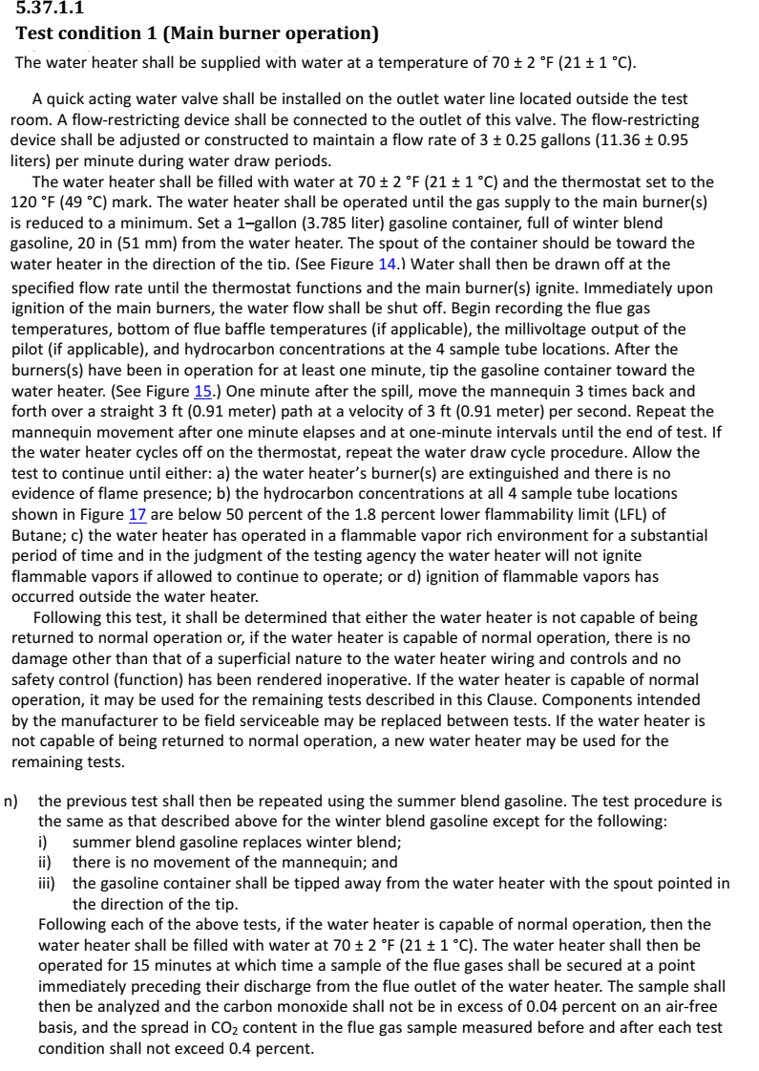
Test Condition 1: Main Burner Operation (Winter) | Test Condition 1: Main Burner Operation (Summer)
1. Fill water heater with 70 +/- 2 F water | 1. Fill water heater with 70 +/- 2 F water
2. Set thermostat to 120F | 2. Set thermostat to 120F
3. Heat water until main burner cutout | 3. Heat water until main burner cutout

4. Start water flow at 3 GPM until main burner turns ON | 4. Start water flow at 3 GPM until main burner turns ON
5. Turn flow off when main burner turns ON | 5. Turn flow off when main burner turns ON
6. Start 1 minute timer | 6. Start 1 minute timer

7. Tip gasoline can | 7. Tip gasoline can
8. Start 1 minute timer (for manniquin sequence)

1. Manniquine sequence continuous (steps 9,10,11,12) until end of test.
2. Repeat water flow sequence (step 4,5) if burner turns off.
9. Start manniquine sequence at 1 minute after gas spill (3 times back and fourth)
10. Start 1 minute timer
11. Start manniquine sequence at 1 minute after gas spill (3 times back and fourth)
12. Start 1 minute timer

1. Labview Program will determine end of test
2. We will manually fill with 70F water
3. Labview will set the thermostat
4. PLC will wait for Burner ON, then start sequence

FVIR Test Sequence 2
Does not apply to heaters with continuous ignition source
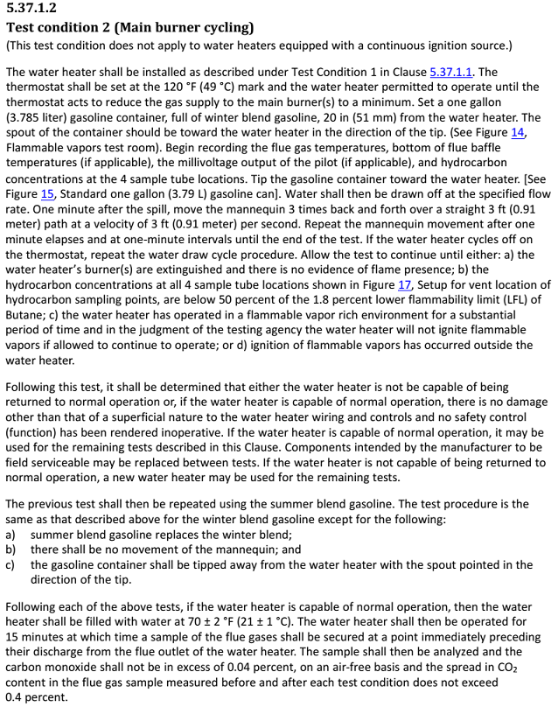
Test Condition 2: Main Burner Cycling (Winter) | Test Condition 2: Main Burner Cycling (Summer)
1. Fill water heater with 70 +/- 2 F water | 1. Fill water heater with 70 +/- 2 F water
2. Set thermostat to 120F | 2. Set thermostat to 120F
3. Heat water until main burner cutout | 3. Heat water until main burner cutout

4. Tip gasoline can and start water flow at 3 GPM | 4. Tip gasoline can and start water flow at 3 GPM
5. Start 1 minute timer (for manniquin sequence)

Repeat manniquine sequence until end of test
6. Start manniquine sequence at 1 minute after gas spill (3 times back and fourth)
7. Start 1 minute timer
8. Start manniquine sequence at 1 minute after gas spill (3 times back and fourth)
9. Start 1 minute timer

1. Labview Program will determine end of test
2. We will manually fill with 70F water
3. Labview will set the thermostat
4. PLC will wait for Burner ON, then start sequence

FVIR Test Sequence 3
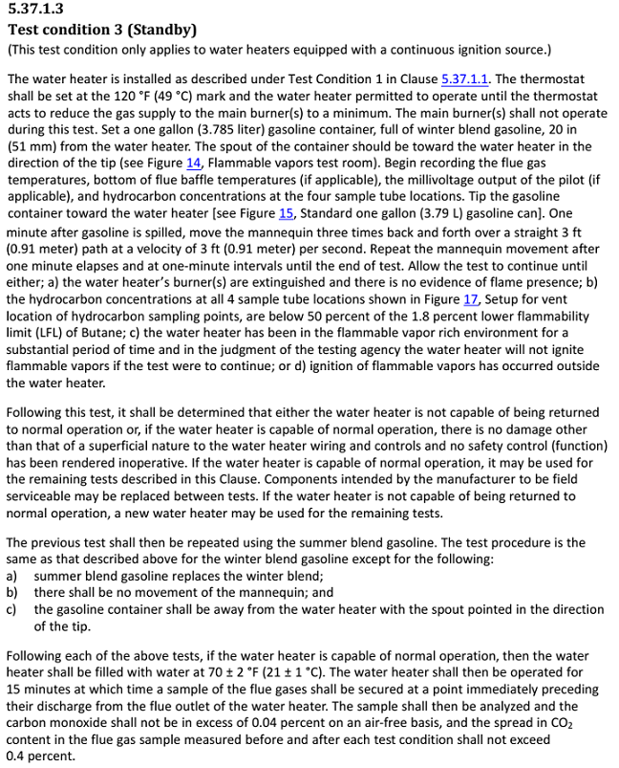
Test Condition 3: Standby (Winter) | Test Condition 3: Standby (Summer)
1. Fill water heater with 70 +/- 2 F water | 1. Fill water heater with 70 +/- 2 F water
2. Set thermostat to 120F | 2. Set thermostat to 120F
3. Heat water until main burner cutout | 3. Heat water until main burner cutout

4. Tip gasoline can | 4. Tip gasoline can
5. Start 1 minute timer (for manniquin sequence)

6. Start manniquine sequence at 1 minute after gas spill (3 times back and fourth)
7. Start 1 minute timer
8. Start manniquine sequence at 1 minute after gas spill (3 times back and fourth)
9. Start 1 minute timer

Repeat manniquine sequence until end of test

1. Labview Program will determine end of test
2. We will manually fill with 70F water
3. Labview will set the thermostat
4. PLC will wait for Burner ON, then start sequence

FVIR Test Sequence 4
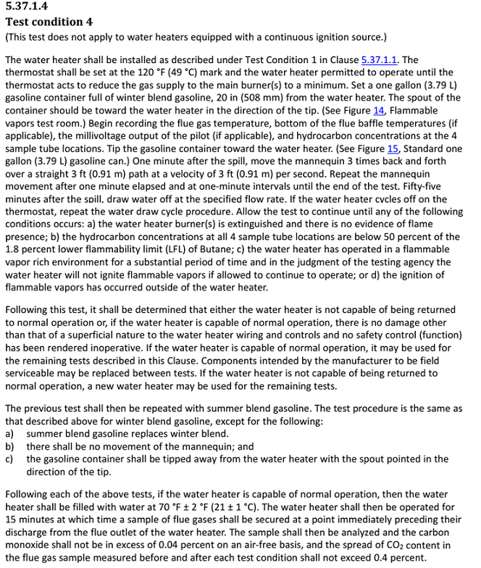
Test Condition 4: (Winter) | Test Condition 4: (Summer)
1. Fill water heater with 70 +/- 2 F water | 1. Fill water heater with 70 +/- 2 F water
2. Set thermostat to 120F | 2. Set thermostat to 120F
3. Heat water until main burner cutout | 3. Heat water until main burner cutout

4. Tip gasoline can | 4. Tip gasoline can
5. Start 1 minute timer (for manniquin sequence) and start 55 minute timer for water flow | 5. Start 1 minute timer (for manniquin sequence) and start 55 minute timer for water flow

6. Start manniquine sequence at 1 minute after gas spill (3 times back and fourth)
7. Start 1 minute timer
8. Start manniquine sequence at 1 minute after gas spill (3 times back and fourth)
9. Start 1 minute timer

10. Start water flow at 3 GPM at 55 minutes | 10. Start water flow at 3 GPM at 55 minutes

1. Repeat manniquine sequence until end of test.

1. Labview Program will determine end of test
2. We will manually fill with 70F water
3. Labview will set the thermostat
4. PLC will wait for Burner ON, then start sequence

